help
MappingMaster
How to use

1. Open MappingMaster and enable macro.
2. Press ALT + F11 > Tools > References and select the required library. Click "OK" and close the window.

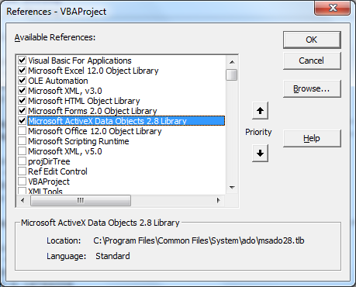

3. Click MappingMaster button or press Ctrl + Alt + M to get login screen. After filling the details, press Login button

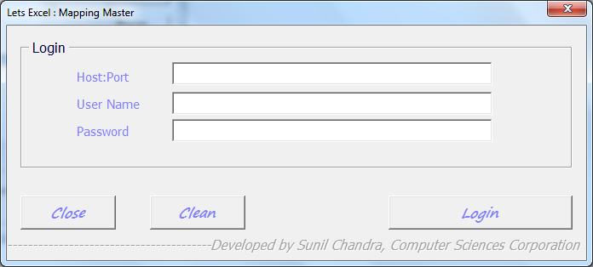

4. Select the Software Component version, namespace and Mapping.
Now click button Generate documentation to get the result.
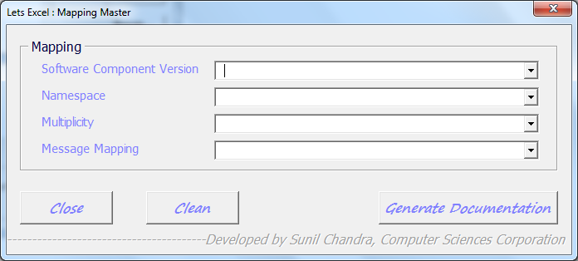

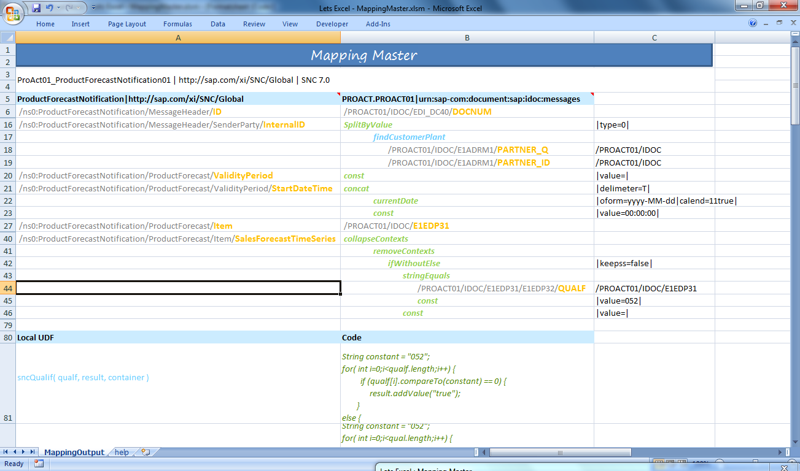
Local UDF
Standard Function
Target Node
Source Node
Target Structure
Source Structure
Mapping Name and details

MasterSheet
MappingMaster

